Expected Returns
Research Affiliates Model Portfolios
 | As of December 31, 2025
 | Long-Term Expected Nominal Returns
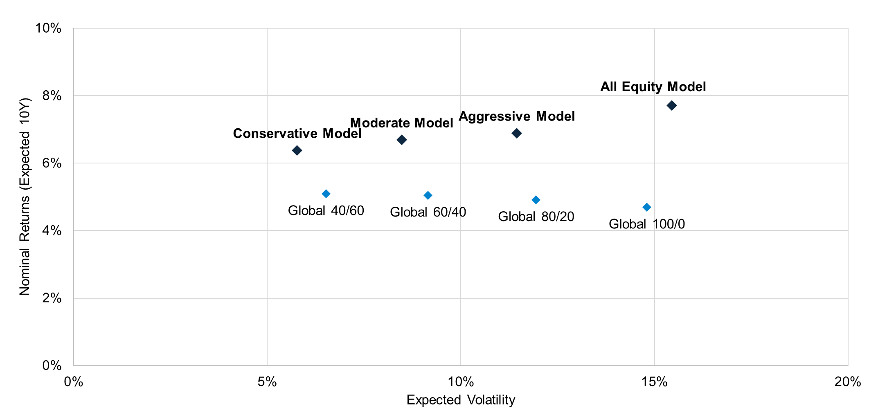

 | Models shown are intended for investment professionals only and not the retail public. Your use of this information does not create an investment advisory, fiduciary, or professional services relationship between you and Research Affiliates, LLC. Investors may be required to meet certain suitability and geographic requirements and therefore should consult the provider or a financial adviser for additional information. Research Affiliates, LLC does not make any representation regarding the advisability or suitability of investing in any investment fund or other investment product or vehicle. Research Affiliates, LLC is not compensated for promoting any fund identified herein and instead is only compensated with an asset-based fee as either a licensor of intellectual property or a sub-adviser to an investment adviser. Research Affiliates, LLC is not a broker-dealer and does not effect transactions in securities.

